Cover
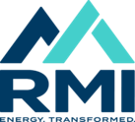 Program Time Report (PLEASE DO NOT DISTRIBUTE)

Carbon-Free Electricity - Aug-2024

